Home
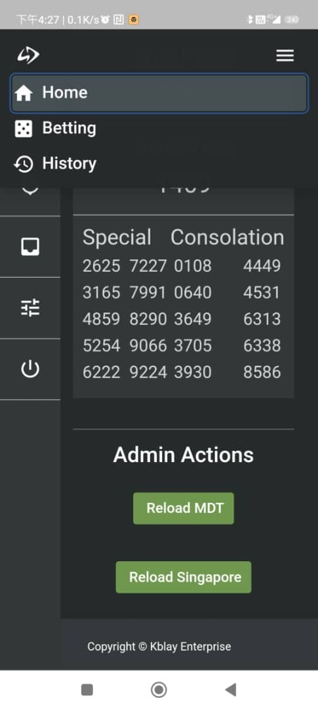
Apps name to change to "NOTE"

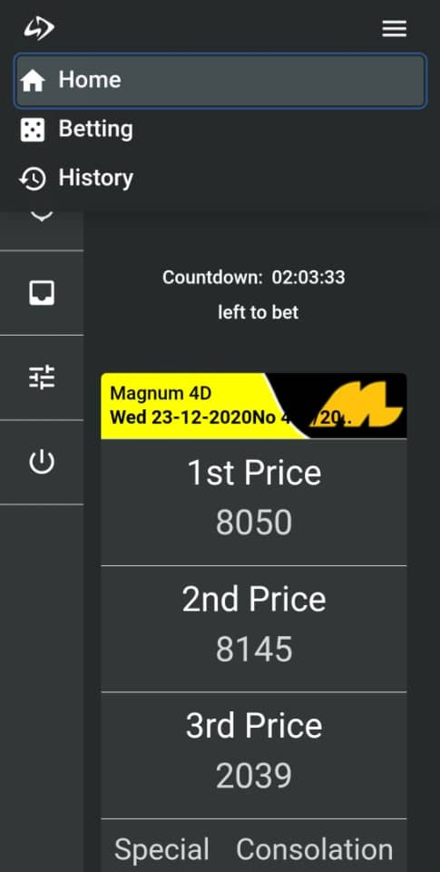

 | Starting : 09:00 | (when time closes(18:01 - 08:59), this appears)
 | Countdown: ___ hours left

 | Ending : 18:00 | (when time opens(09:00 - 18:00), this appears)
 | Countdown: ___ hours left

 | Remove the results

